Sheet1
 | Q 3 - CAST Logic
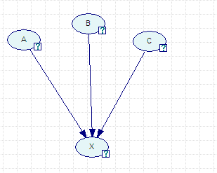
 | A | 0.35
 | B | 0.6
 | C | 0.82 |  |  |  |  | Baseline | 0.2

 | hA | 0.9 |  | gA | -0.7
 | hB | -0.4 |  | gB | 0.8
 | hC | 0.9 |  | gC | -0.5

CPT
 | A | B | C | P(X|ABC) |  | PI | NI | AI | X|ABC
1 | T | T | T | 0.98666666667 |  | 0.99 | 0.4 | 0.983 | 0.98666666667
2 | T | T | F | 0.73333333333 |  | 0.9 | 0.7 | 0.667 | 0.73333333333
3 | T | F | T | 0.9984 |  | 0.998 | 0 | 0.998 | 0.9984
4 | T | F | F | 0.968 |  | 0.98 | 0.5 | 0.960 | 0.968
5 | F | T | T | 0.55555555556 |  | 0.9 | 0.82 | 0.444 | 0.55555555556
6 | F | T | F | 0.018 |  | 0 | 0.91 | 0.910 | 0.018
7 | F | F | T | 0.94666666667 |  | 0.98 | 0.7 | 0.933 | 0.94666666667
8 | F | F | F | 0.15 |  | 0.8 | 0.85 | 0.250 | 0.15

